Sheet1
 | Created by : Atikah Putri Lestari

No | Feature Name | Test Case ID | Test Case | Test Description | Target URL Endpoint | API Method | Path Variables | JSON Document | Expected Name | Expected Response code | Actual Response code | Result (Pass/fail) | Executed Date | Actual Response from API | Actual Response Time (in ms) | Console (Request dan Respond)
1 | Countries | TC_01_Countries_All | User can check displayed country list | Checking country list | https://dojobox-bootcamp.hasura.app/api/rest/country | GET | - | - | OK | 200 | 200 | Passed | 2022-06-08 | { "Countries": [ { "code": 1, "name": "Indonesia" } ] } | 896 | https://drive.google.com/file/d/1xaNsKhVfvvLzpy3_tnB3LPzpAhlvQhYc/view?usp=sharing
2 | Countries | TC_02_Countries_Single | User can check displayed single country | Checking single country | https://dojobox-bootcamp.hasura.app/api/rest/country/:countryId | GET | countryId = 1 | - | OK | 200 | 200 | Passed | 2022-06-08 | { "Countries_by_pk": { "code": 1, "name": "Indonesia", "created_at": "2022-05-26T09:00:42.797551+00:00" } } | 991 |  https://drive.google.com/file/d/1WtTc_boo8VHymMhapoo_5RZG4bB-qA8u/view?usp=sharing
3 | Users | TC_03_Users_All | User can check displayed user list | Checking user list | https://dojobox-bootcamp.hasura.app/api/rest/user | GET | - | - | OK | 200 | 200 | Passed | 2022-06-08 | { "Users": [ { "id": 1, "email": "creator@dojobox.id", "full_name": "creator", "gender": "cowok" }, { "id": 2, "email": "testinsert@testmail.com", "full_name": "Andika tester", "gender": "Pria" }, { "id": 22, "email": "testinsert2@testmail.com", "full_name": "Andika tester w", "gender": "Pria" }, { "id": 2222, "email": "testinsert22@testmail.com", "full_name": "Andika tester 3", "gender": "Pria" }, { "id": 20, "email": "testinsert15@testmail.com", "full_name": "Andika tester aj", "gender": "Pria" }, { "id": 3, "email": "testinsertid3@testmail.com", "full_name": "Naufal test create", "gender": "Pria" }, { "id": 44, "email": "testinsert24@testmail.com", "full_name": "Ais ahmad s", "gender": "Pria" }, { "id": 4, "email": "testinsert50@testmail.com", "full_name": "Denai Putri", "gender": "wanita" } ] } | 984 | 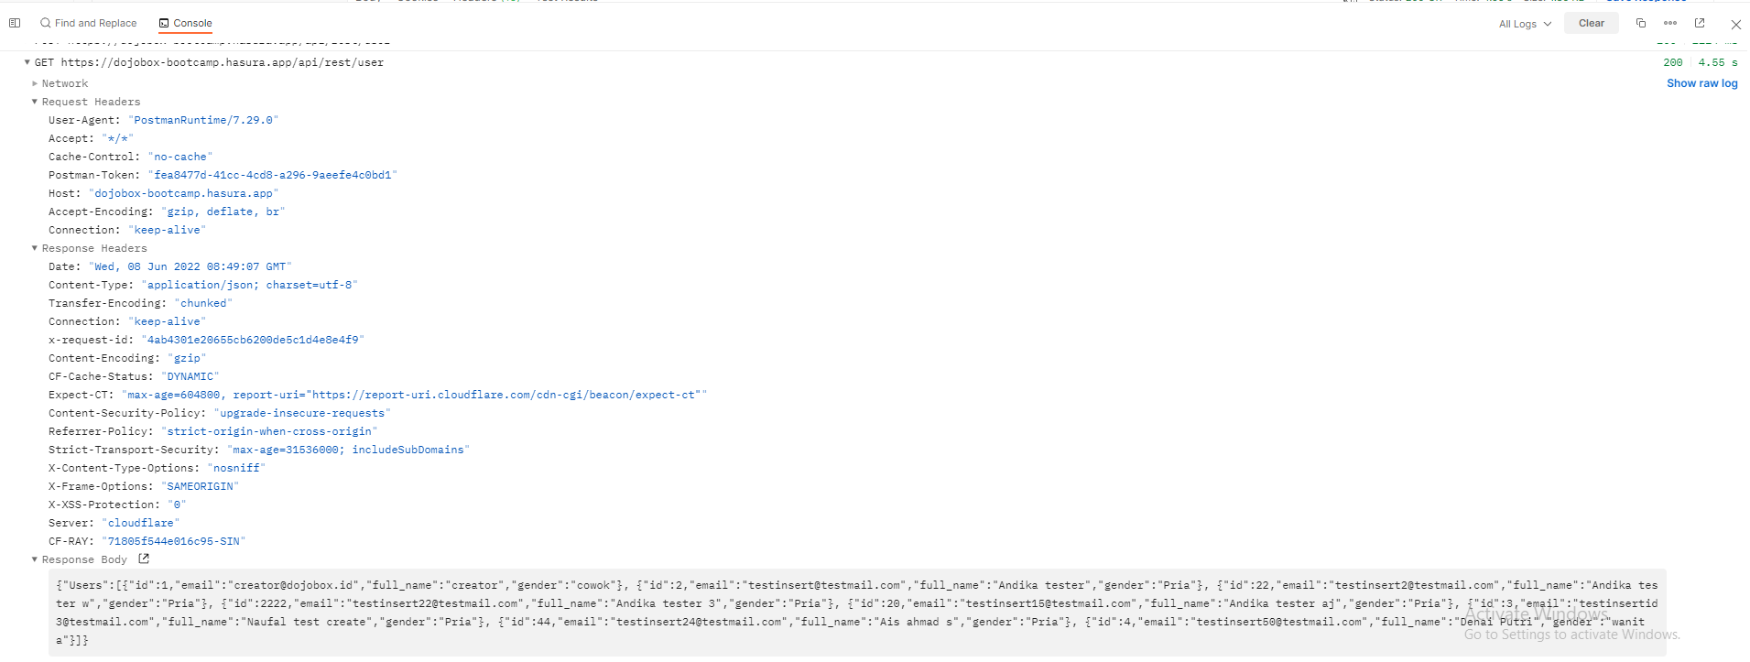 https://drive.google.com/file/d/1Whe0TAZvc0bRoEGKlx1Ls2c7U4QHR6E6/view?usp=sharing
4 | Users | TC_04_Users_Single | User can check displayed single user | Checking single user | https://dojobox-bootcamp.hasura.app/api/rest/user/:userId | GET | userId = 22 | - | OK | 200 | 200 | Passed | 2022-06-08 | { "Users_by_pk": { "id": 22, "full_name": "Andika tester w", "email": "testinsert2@testmail.com", "date_of_birth": "00 00 00", "gender": "Pria", "country_code": 1, "created_at": "2022-05-27T14:25:25.820818+00:00" } } | 1077 | 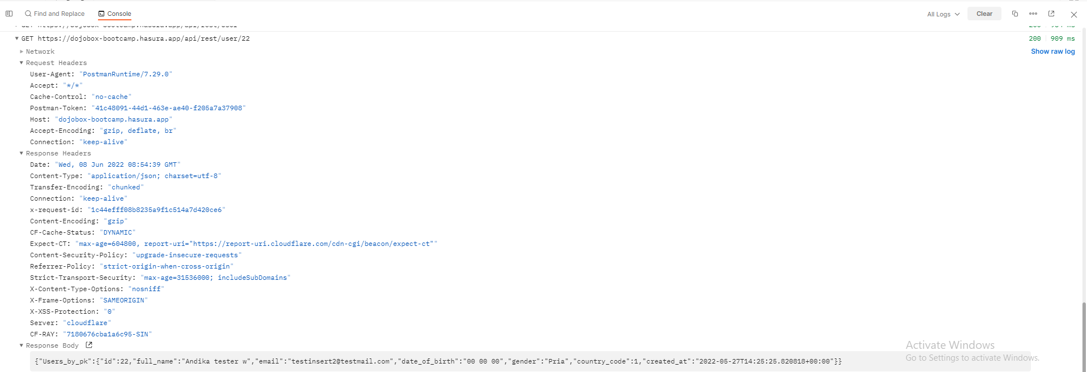 https://drive.google.com/file/d/1cG4bwEzMFJ9GzE1Wo3EGAhwcATOqLP4R/view?usp=sharing
5 | Users | TC_05_Users_Add | User can add single user | Adding single user | https://dojobox-bootcamp.hasura.app/api/rest/user | POST | - | { "id": 1111, "email": "cicah@testmail.com", "full_name": "Acicah" , "gender": "Wanita", "date_of_birth": "00 00 00", "country_code": 1 } | OK | 200 | 200 | Passed | 2022-06-08 | { "insert_Users_one": { "id": 1111, "full_name": "Acicah", "email": "cicah@testmail.com", "gender": "Wanita", "date_of_birth": "00 00 00", "country_code": 1, "created_at": "2022-06-08T08:59:02.793177+00:00" } } | 1157 | 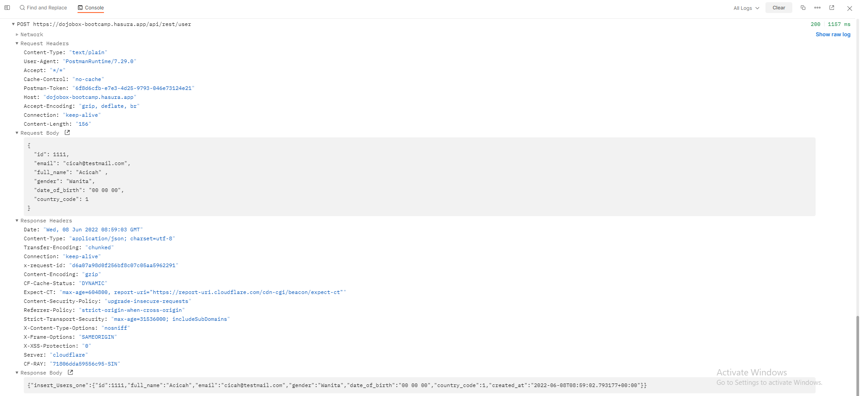 https://drive.google.com/file/d/1V6ERovNHOSpTTu2spYHZVMHPmER354TY/view?usp=sharing
6 | Merchant | TC_06_Merchant_List | User can check displayed merchant list | Checking merchant list | https://dojobox-bootcamp.hasura.app/api/rest/merchant | GET | - | - | OK | 200 | 200 | Passed | 2022-06-08 | { "Merchants": [ { "id": 1, "merchant_name": "dojobox academy", "admin_id": 1, "country_code": 1 }, { "id": 2, "merchant_name": "keluarga dojobox", "admin_id": 1, "country_code": 1 }, { "id": 12, "merchant_name": "dojoyusuf", "admin_id": 1, "country_code": 1 }, { "id": 13, "merchant_name": "dojokays", "admin_id": 1, "country_code": 1 }, { "id": 14, "merchant_name": "latihan dojobox", "admin_id": 1, "country_code": 1 }, { "id": 8, "merchant_name": "latihan update dojobox", "admin_id": 1, "country_code": 1 }, { "id": 19, "merchant_name": "dokays", "admin_id": 1, "country_code": 1 }, { "id": 26, "merchant_name": "dojokey", "admin_id": 44, "country_code": 1 }, { "id": 29, "merchant_name": "test merchant", "admin_id": 1, "country_code": 1 }, { "id": 31, "merchant_name": "test ais", "admin_id": 44, "country_code": 1 }, { "id": 38, "merchant_name": "test API Dojobox", "admin_id": 1, "country_code": 1 } ] } | 1526 | 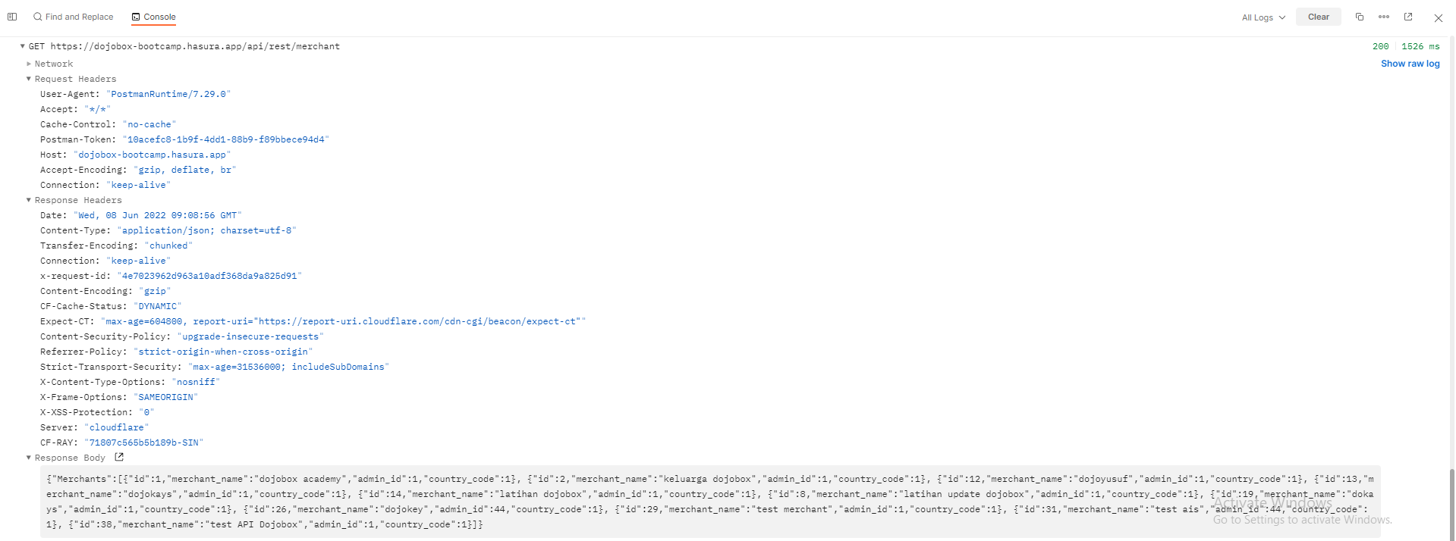 https://drive.google.com/file/d/1EV4J9Xx5IAhnuTxteFdyR91FecwGUEqu/view?usp=sharing
7 | Merchant | TC_07_Merchant_Single | User can check displayed single merchant | Checking single merchant | https://dojobox-bootcamp.hasura.app/api/rest/merchant/:merchantId | GET | merchantId = 38 | - | OK | 200 | 200 | Passed | 2022-06-08 | { "Merchants_by_pk": { "id": 38, "merchant_name": "test API Dojobox", "admin_id": 1, "country_code": 1, "created_at": "2022-06-08T07:45:35.303309+00:00", "User": { "id": 1, "full_name": "creator", "email": "creator@dojobox.id" }, "Country": { "code": 1, "name": "Indonesia" } } } | 1094 | 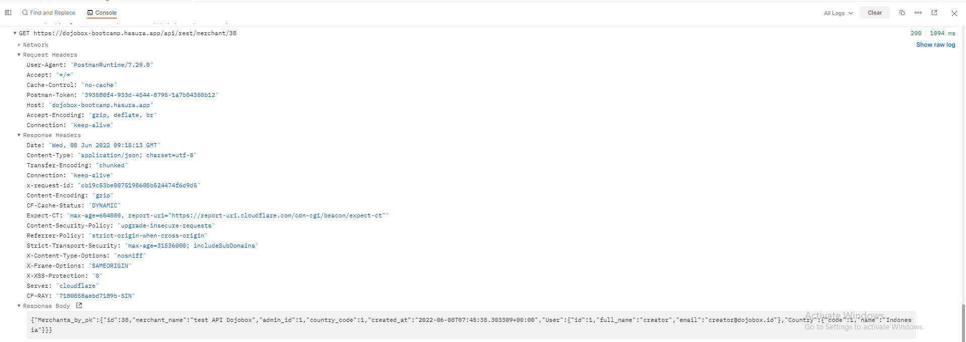 https://drive.google.com/file/d/1GCMpOwzCVwFQvqAZb96aI_hEzPDekJRD/view?usp=sharing
8 | Merchant | TC_08_Merchant_Add | User can add single merchant | Adding single merchant | https://dojobox-bootcamp.hasura.app/api/rest/merchant | POST | - | { "admin_id": 1, "country_code": 1, "merchant_name": "cicahcorp" } | OK | 200 | 200 | Passed | 2022-06-08 | { "insert_Merchants": { "affected_rows": 1, "returning": [ { "id": 39, "admin_id": 1, "country_code": 1, "merchant_name": "cicahcorp", "created_at": "2022-06-08T09:19:03.30439+00:00" } ] } } | 1864 | 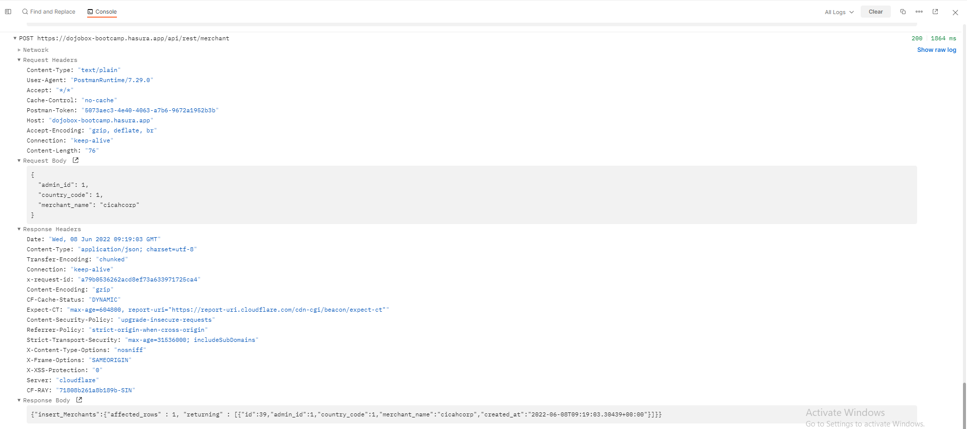 https://drive.google.com/file/d/1KJM2pJMULZ2U0g-iidUtM-ktQunxiU-r/view?usp=sharing
9 | Merchant | TC_09_Merchant_Update | User can update single merchant | Updating single merchant | https://dojobox-bootcamp.hasura.app/api/rest/merchant/:merchantId | PUT | merchantId = 41 | { "admin_id": 1, "country_code": 1, "merchant_name": "cicah.corp.update" } | OK | 200 | 200 | Passed | 2022-06-09 | { "update_Merchants_by_pk": { "id": 41, "merchant_name": "cicah.corp.update", "admin_id": 1, "country_code": 1, "created_at": "2022-06-08T10:00:31.786257+00:00" } } | 1071 | 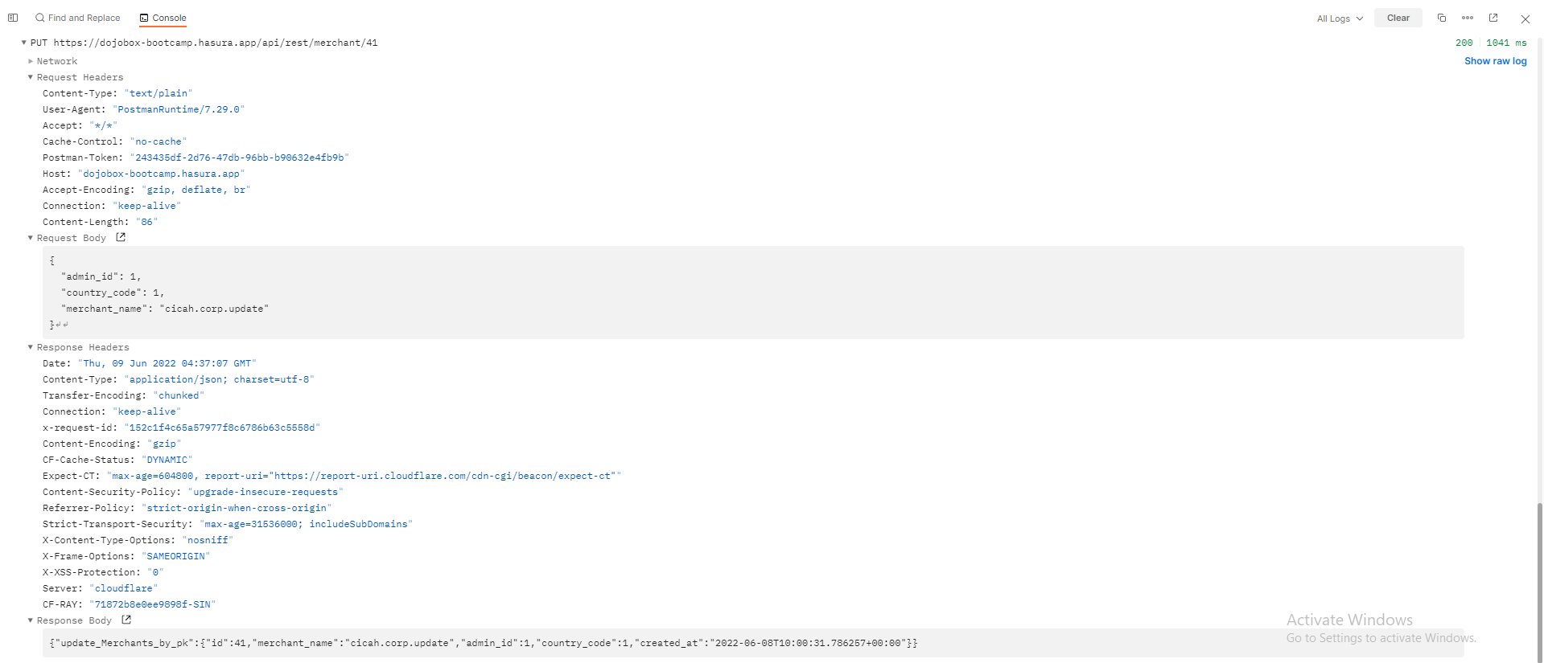 https://drive.google.com/file/d/1T4JDZafjoNcJEde8ODi2NWxDCtqGddnz/view?usp=sharing
10 | Merchant | TC_10_Merchant_Delete | User can delete single merchant | Deleting single merchant | https://dojobox-bootcamp.hasura.app/api/rest/merchant | DELETE | - | { "id" : 39 } | OK | 200 | 200 | Passed | 2022-06-08 | { "delete_Merchants_by_pk": { "id": 39, "merchant_name": "cicah.corp.update", "country_code": 1, "admin_id": 1, "created_at": "2022-06-08T09:19:03.30439+00:00" } } | 1114 | 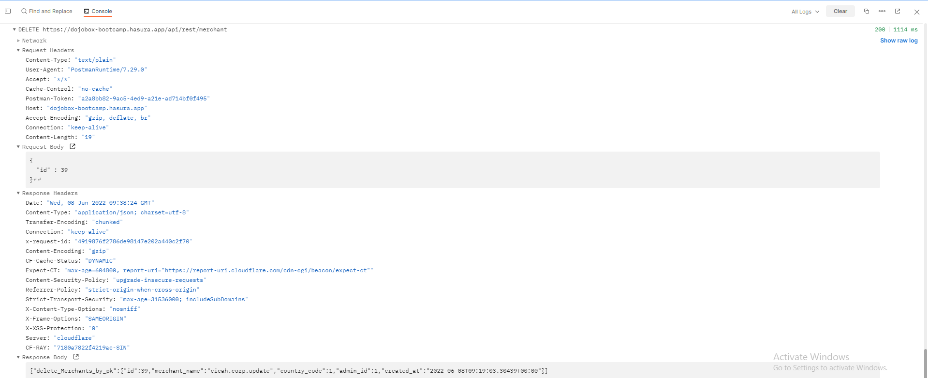 https://drive.google.com/file/d/1iuX33LEujJnnV8foASXziVvQ5Ts0Pe38/view?usp=sharing
11 | Product | TC_11_Product_All | User can check displayed product list | Checking product list | https://dojobox-bootcamp.hasura.app/api/rest/product | GET | - | - | OK | 200 | 200 | Passed | 2022-06-08 | { "Products": [ { "id": "f8db2347-f715-4f02-a128-217a17fc336c", "name": "mentor jenar", "price": 10000 }, { "id": "05c27c60-de12-4bc0-b607-9f1dbcaef121", "name": "uji coba product", "price": 2 }, { "id": "b7824717-aeff-441a-a41d-ef88159713db", "name": "test", "price": 50000 }, { "id": "b5e92cac-4260-4d30-a765-d6e66b9436da", "name": "uji coba product", "price": 2 }, { "id": "7587596b-09e4-40a9-afb8-ac779a340f1b", "name": "uji coba product", "price": 2 }, { "id": "dd2271a3-820c-411e-a786-609983d78322", "name": "uji coba product abc", "price": 2 }, { "id": "115a4625-edd6-43bd-8d6a-78c87084d9bb", "name": "test edit 2", "price": 12500000 }, { "id": "7c02f47f-a8b7-493e-8f5e-da7ef8f172cc", "name": "uji coba product dojobox", "price": 2000000 }, { "id": "68804ac9-f7c7-4c65-b1ac-aaed3aae7dd7", "name": "uji coba product abc", "price": 2 }, { "id": "a4069635-e7a8-4be2-b146-16d2970d22ef", "name": "uji coba product abc", "price": 2 }, { "id": "0f26b645-8763-4f27-91d9-270b0304dcfd", "name": "uji coba product abc", "price": 2 }, { "id": "e1fff24c-7db7-4285-b41b-1717a32003f1", "name": "product dancow", "price": 2500 } ] } | 1685 | 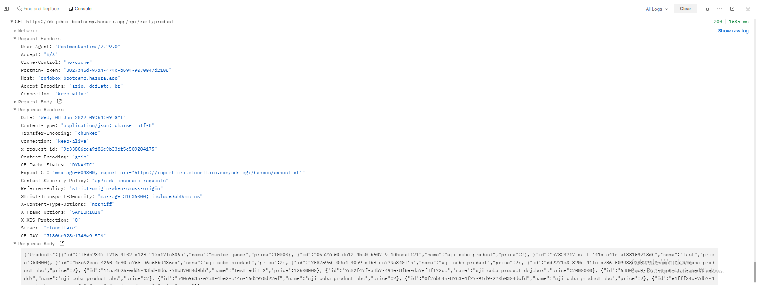 https://drive.google.com/file/d/1Tdxwq0zbmfTa5IzwsQT-A80rgSUODz_q/view?usp=sharing
12 | Product | TC_12_Product_Single_Merchant | User can check displayed single product based on merchant name | Checking single product based on merchant name | https://dojobox-bootcamp.hasura.app/api/rest/products/get-products-list-by-merchant-name/:merchant_name | GET | merchant_name = dojobox academy | - | OK | 200 | 200 | Passed | 2022-06-09 | { "Products": [ { "id": "7587596b-09e4-40a9-afb8-ac779a340f1b", "merchant_id": 1, "name": "uji coba product", "price": 2, "status": "Beli baru" }, { "id": "b5e92cac-4260-4d30-a765-d6e66b9436da", "merchant_id": 1, "name": "Edited product", "price": 12500000, "status": "dipinjamkan" }, { "id": "115a4625-edd6-43bd-8d6a-78c87084d9bb", "merchant_id": 1, "name": "Edited product dojobox", "price": 12500000, "status": "dipinjamkan" } ] } | 1020 | 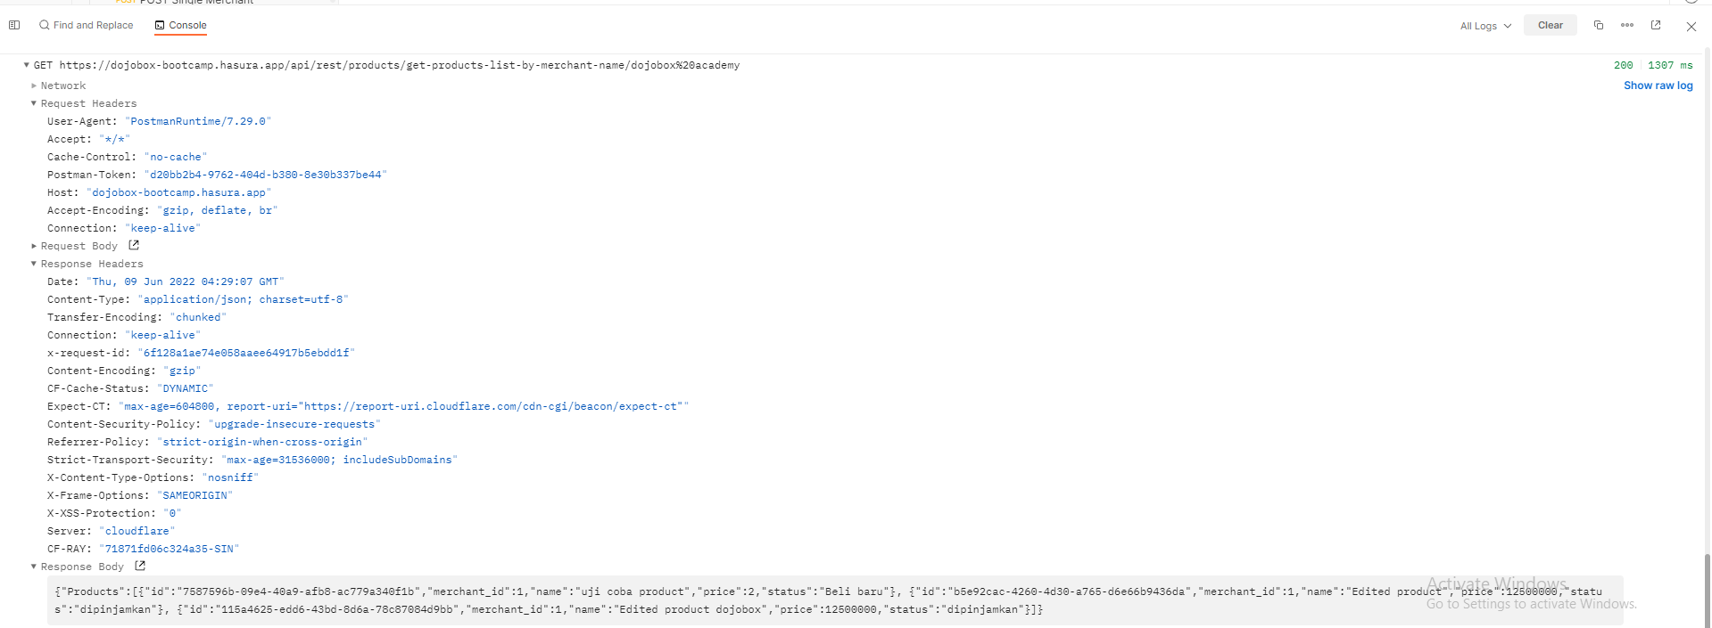 https://drive.google.com/file/d/1ezDe3POF8EkK2bytrvcmzMB3nanhbVsR/view?usp=sharing
13 | Product | TC_13_Product_Single | User can check displayed single product | Checking single product | https://dojobox-bootcamp.hasura.app/api/rest/product/:productId | GET | productId = 56c5fffb-19d2-4b79-aa34-80265a9783a5 | - | OK | 200 | 200 | Passed | 2022-06-08 | { "Products_by_pk": { "id": "56c5fffb-19d2-4b79-aa34-80265a9783a5", "merchant_id": 1, "name": "cicah collection", "price": 50000, "status": "udah diisi", "created_at": "2022-06-08T10:12:59.07792+00:00", "Merchant": { "id": 1, "merchant_name": "dojobox academy" } } } | 1745 | 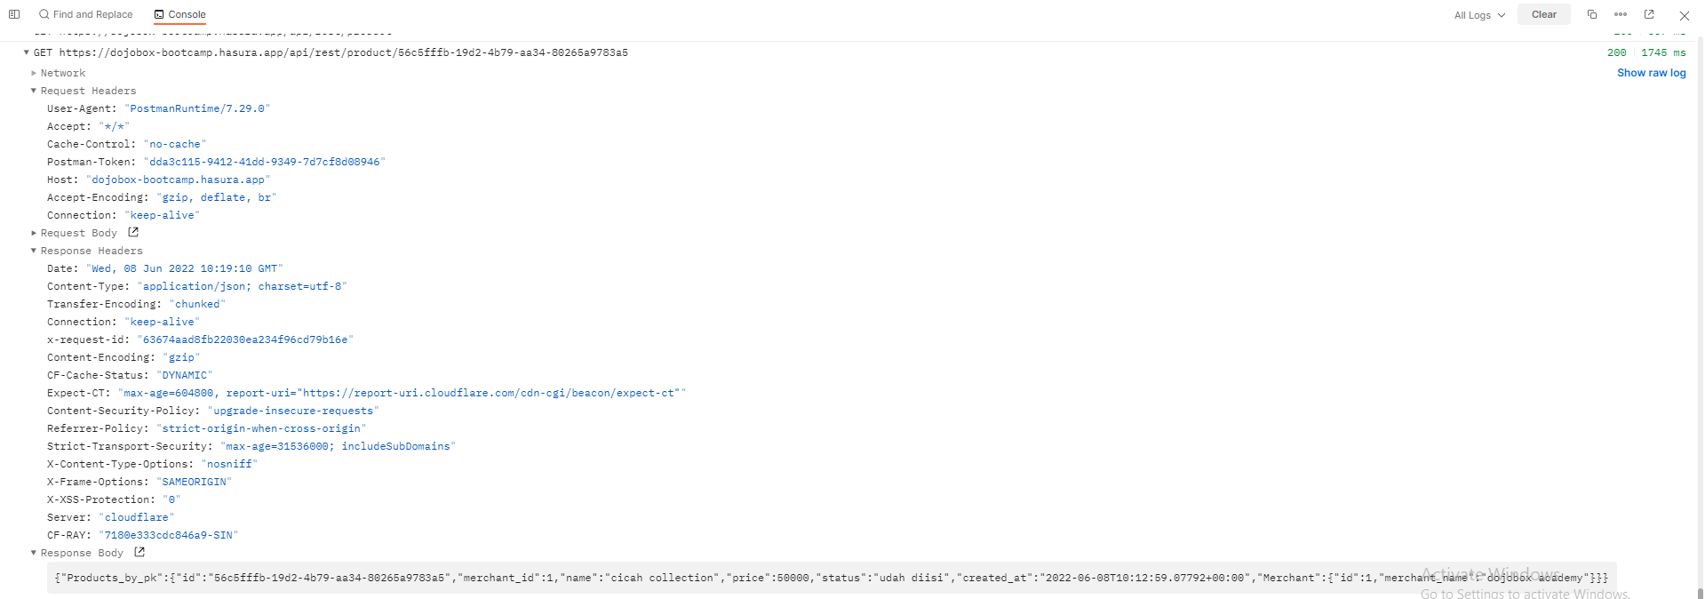 https://drive.google.com/file/d/1GXeu7RUZzhm4hUVLyiUl1zPTEToEgyEm/view?usp=sharing
14 | Product | TC_14_Product_ADD | User can add single product | Adding single product | https://dojobox-bootcamp.hasura.app/api/rest/product | POST | - | { "merchant_id": 1, "name":"cicah collection", "price": 50000, "status": "udah diisi" } | OK | 200 | 200 | Passed | 2022-06-08 | { "insert_Products": { "affected_rows": 1, "returning": [ { "id": "56c5fffb-19d2-4b79-aa34-80265a9783a5", "merchant_id": 1, "name": "cicah collection", "price": 50000, "status": "udah diisi", "created_at": "2022-06-08T10:12:59.07792+00:00" } ] } } | 5730 | 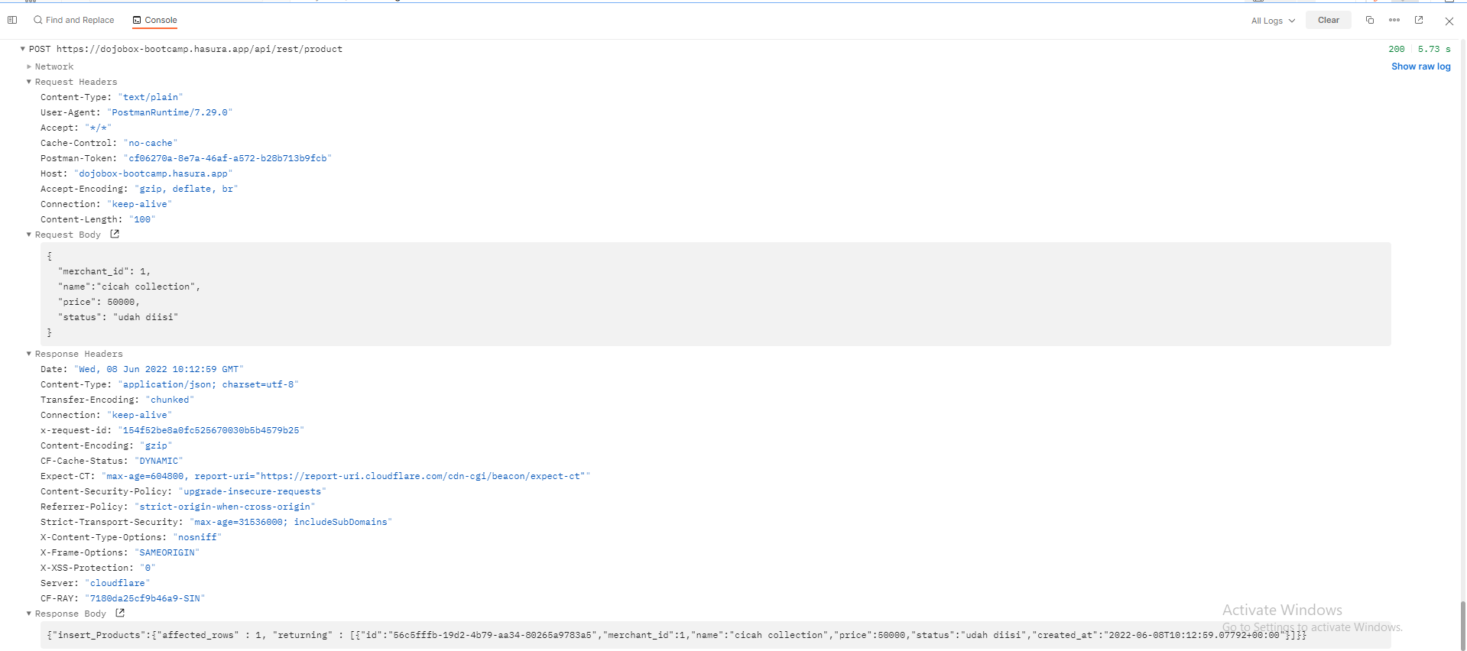 https://drive.google.com/file/d/1KxdXIdO3tIKs_es-f3TdVFH5BgRnKtUT/view?usp=sharing
15 | Product | TC_15_Product_Update | User can update single product | Updating single product | https://dojobox-bootcamp.hasura.app/api/rest/product/:productId | PATCH | productId = 56c5fffb-19d2-4b79-aa34-80265a9783a5 | { "name": "cicah collection update", "price": 50000, "status": "dipinjamkan" } | OK | 200 | 200 | Passed | 2022-06-08 | { "update_Products_by_pk": { "id": "56c5fffb-19d2-4b79-aa34-80265a9783a5", "merchant_id": 1, "name": "cicah collection update", "price": 50000, "status": "dipinjamkan", "created_at": "2022-06-08T10:12:59.07792+00:00" } } | 1144 | 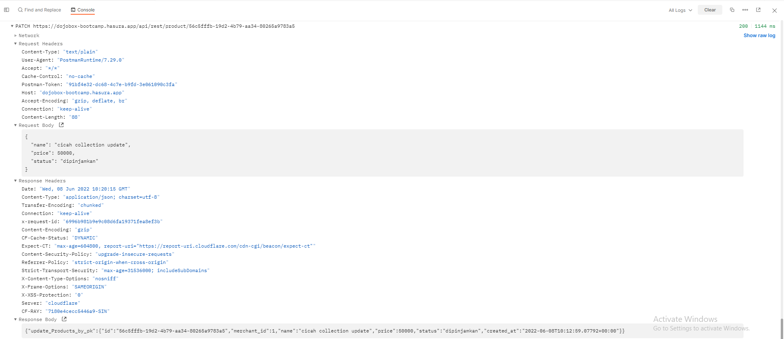 https://drive.google.com/file/d/1jYCQsDzzqImxid865JUZhcE1p1GVcWNx/view?usp=sharing
16 | Product | TC_16_Product_Delete | User can delete single product | Deleting single product | https://dojobox-bootcamp.hasura.app/api/rest/product | DELETE | - | { "id": "56c5fffb-19d2-4b79-aa34-80265a9783a5" } | OK | 200 | 200 | Passed | 2022-06-08 | { "id": "56c5fffb-19d2-4b79-aa34-80265a9783a5" } | 1889 | 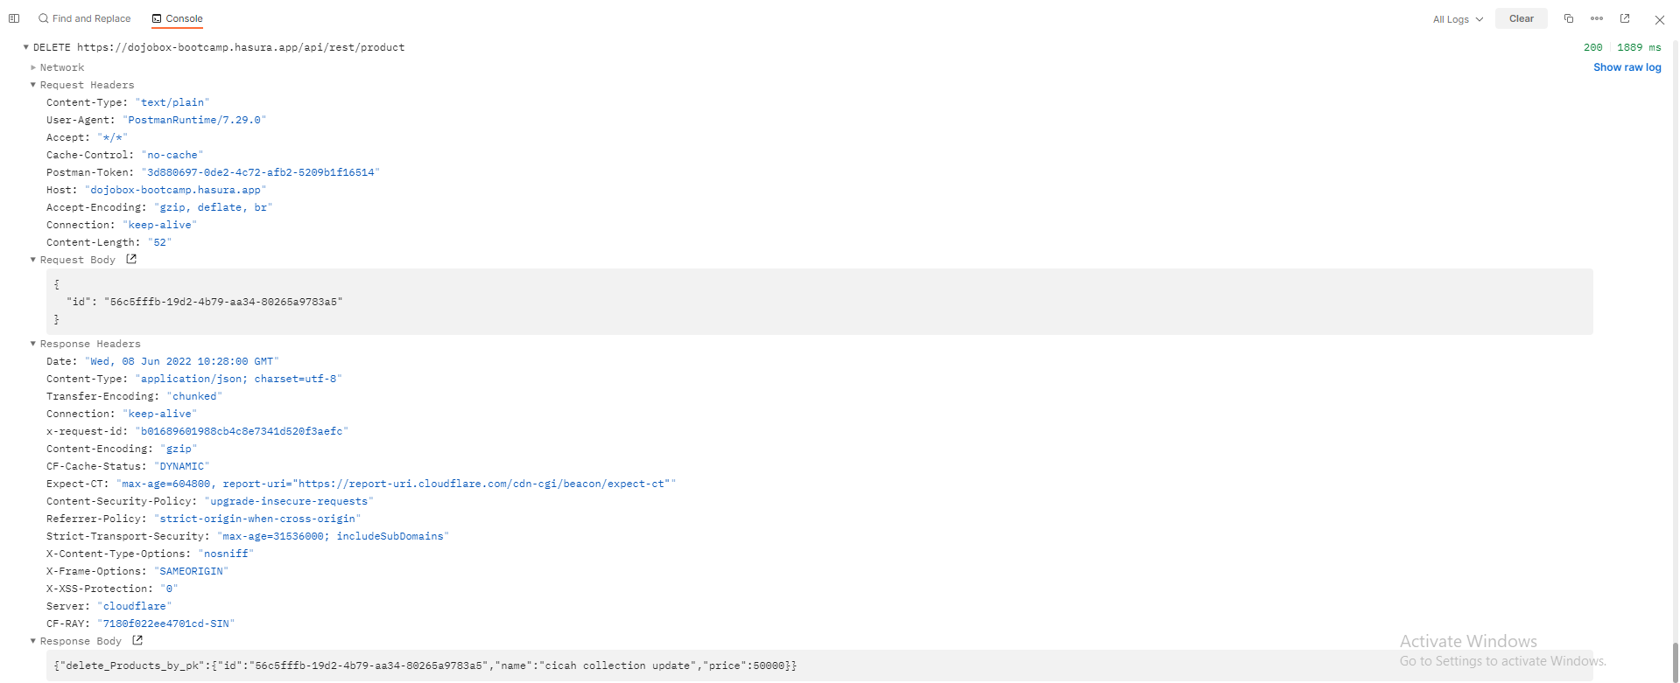 https://drive.google.com/file/d/1ZmAJEXHYcr1-xIIcNphN2odS6Gc37rLJ/view?usp=sharing
17 | Orders | TC_17_Order_All | User can check displayed order list | Checking order list | https://dojobox-bootcamp.hasura.app/api/rest/order | GET | - | - | OK | 200 | 200 | Passed | 2022-06-08 | { "Orders": [ { "id": "98257a19-1111-41c5-b131-2af54d5c8458", "user_id": 1, "status": "pesanan baru" }, { "id": "0fb70241-2544-4002-a68b-c9f32a236c69", "user_id": 8, "status": ":status" }, { "id": "aff69d72-26ce-404c-8e55-f300cf00d941", "user_id": 8, "status": "pesanan diproses" }, { "id": "641361e3-41a1-4e3a-aebb-7731a93fa7db", "user_id": 123412, "status": "pesanan baru banget" }, { "id": "e9c38cdb-512b-40b8-a436-8d1c1360e55e", "user_id": 1, "status": "pesanan diproses" }, { "id": "8176f77c-eff8-4d6f-a365-2ad28c8a1c1f", "user_id": 12, "status": "pesanan baru" }, { "id": "01329a9f-81f9-4a64-8dc6-bf2ec9abbe42", "user_id": 44, "status": "pesanan-siap" }, { "id": "65d6a9e6-6815-413f-afeb-c95d74aca6a9", "user_id": 43, "status": "pesanan bug" } ] }\ | 4001 | 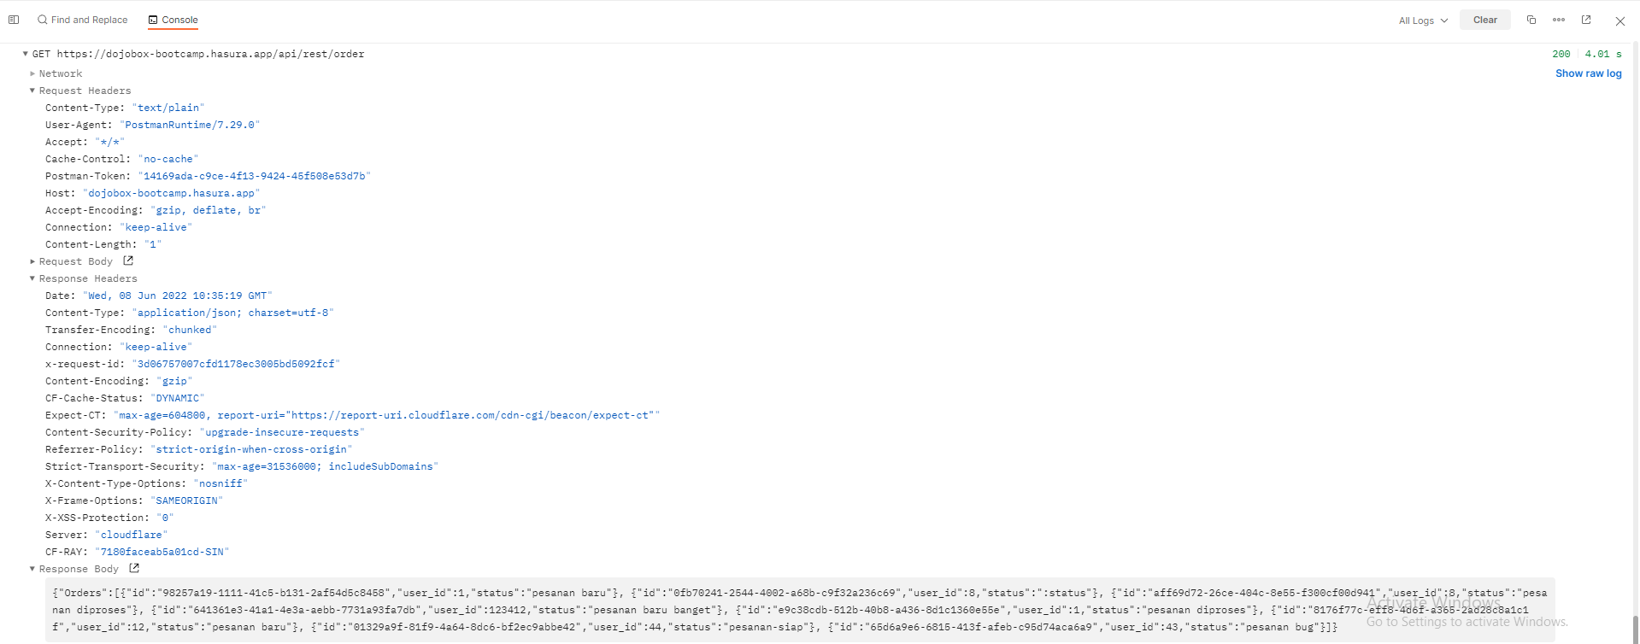 https://drive.google.com/file/d/11-sTAHfRJ7caL4PPlE7AdylYBvrykywd/view?usp=sharing
18 | Orders | TC_18_Order_Single | User can check displayed single order | Checking single order | https://dojobox-bootcamp.hasura.app/api/rest/order/:orderId | GET |  | - | OK | 200 | 200 | Passed | 2022-06-08 | { "Orders_by_pk": { "id": "e9c38cdb-512b-40b8-a436-8d1c1360e55e", "status": "pesanan diproses", "user_id": 1, "created_at": "2022-05-26T09:18:58.269547+00:00", "Orders_Items": [ { "id": "5e4f9231-49d9-4cdc-bc7e-dc5a95f8df8c", "order_id": "e9c38cdb-512b-40b8-a436-8d1c1360e55e", "product_id": "115a4625-edd6-43bd-8d6a-78c87084d9bb", "quantity": 10, "Product": { "id": "115a4625-edd6-43bd-8d6a-78c87084d9bb", "merchant_id": 1, "name": "test edit 2", "price": 12500000, "status": "dipinjamkan" } }, { "id": "2e78764c-5093-450e-a4e9-12952883d927", "order_id": "e9c38cdb-512b-40b8-a436-8d1c1360e55e", "product_id": "f8db2347-f715-4f02-a128-217a17fc336c", "quantity": 2, "Product": { "id": "f8db2347-f715-4f02-a128-217a17fc336c", "merchant_id": 2, "name": "mentor jenar", "price": 10000, "status": "" } }, { "id": "24af2515-5095-4a95-81a8-e5d050819793", "order_id": "e9c38cdb-512b-40b8-a436-8d1c1360e55e", "product_id": "f8db2347-f715-4f02-a128-217a17fc336c", "quantity": 5, "Product": { "id": "f8db2347-f715-4f02-a128-217a17fc336c", "merchant_id": 2, "name": "mentor jenar", "price": 10000, "status": "" } }, { "id": "ac13dd2c-4529-4d9d-a081-70a40287a503", "order_id": "e9c38cdb-512b-40b8-a436-8d1c1360e55e", | 1901 | 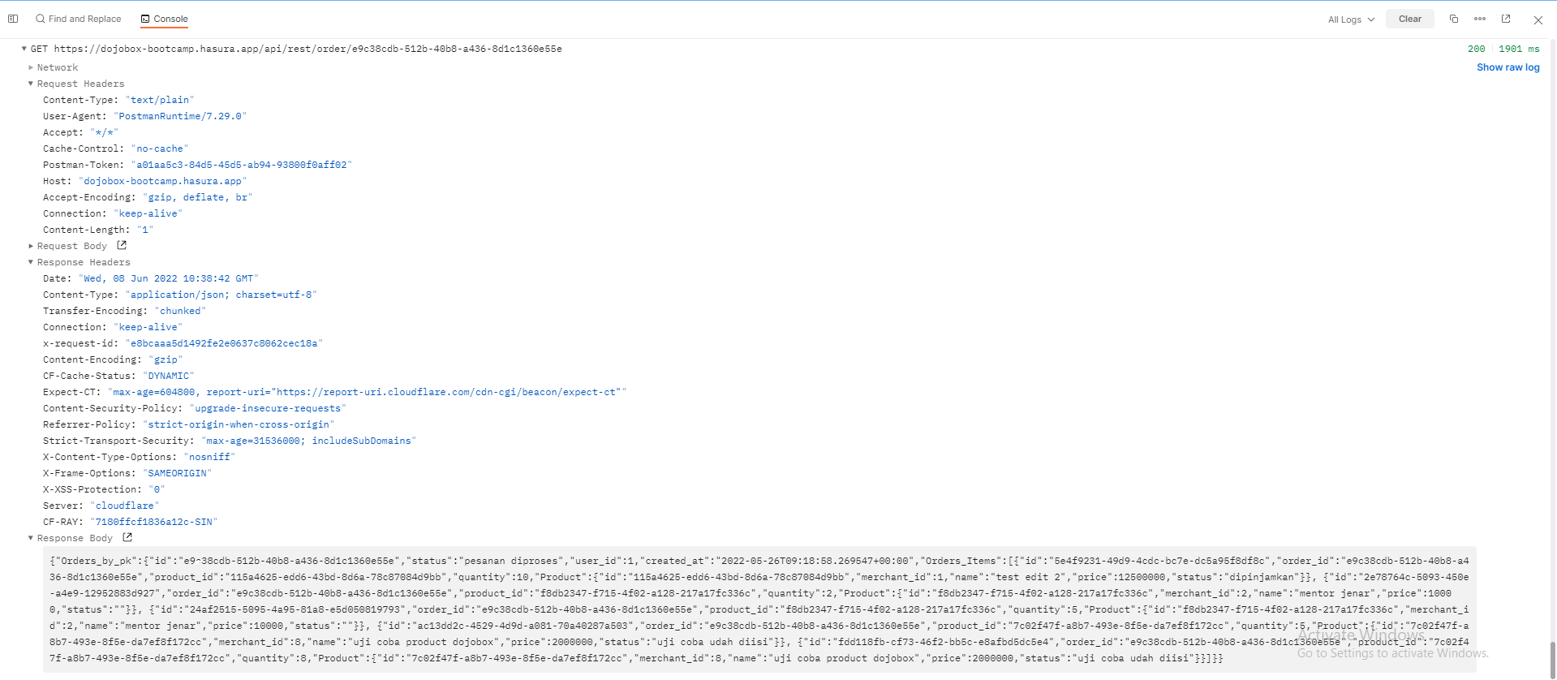 https://drive.google.com/file/d/1rPYKfD_G_SRhkn6VTXeUwhHbskVd-o1S/view?usp=sharing
19 | Orders | TC_19_Order_Add | User can add single order | Adding single order | https://dojobox-bootcamp.hasura.app/api/rest/order/:userId/:status | POST | userId = 44 status = pesanan acicah | - | OK | 200 | 200 | Passed | 2022-06-08 | { "insert_Orders": { "returning": [ { "id": "1029b5a5-fee9-476e-97ec-a1d0c166c3f7", "status": "pesanan cicah", "user_id": 44, "created_at": "2022-06-08T10:51:11.270094+00:00" } ] } } | 1075 | 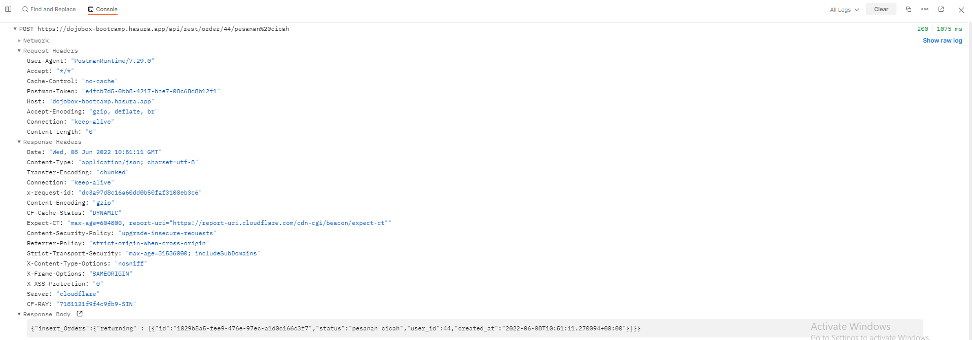 https://drive.google.com/file/d/1m24gKm5dY5s2iR_W7i5jp3u434h3oiXH/view?usp=sharing
20 | Orders | TC_20_Order_Update | User can update single order | Updating single order | https://dojobox-bootcamp.hasura.app/api/rest/order/:orderId | PATCH | orderId = 1029b5a5-fee9-476e-97ec-a1d0c166c3f7 | { "user_id": 44, "status": "pesanan diproses update" } | OK | 200 | 200 | Passed | 2022-06-08 | { "update_Orders_by_pk": { "id": "1029b5a5-fee9-476e-97ec-a1d0c166c3f7", "user_id": 44, "status": "pesanan diproses update", "created_at": "2022-06-08T10:51:11.270094+00:00" } } | 1854 | 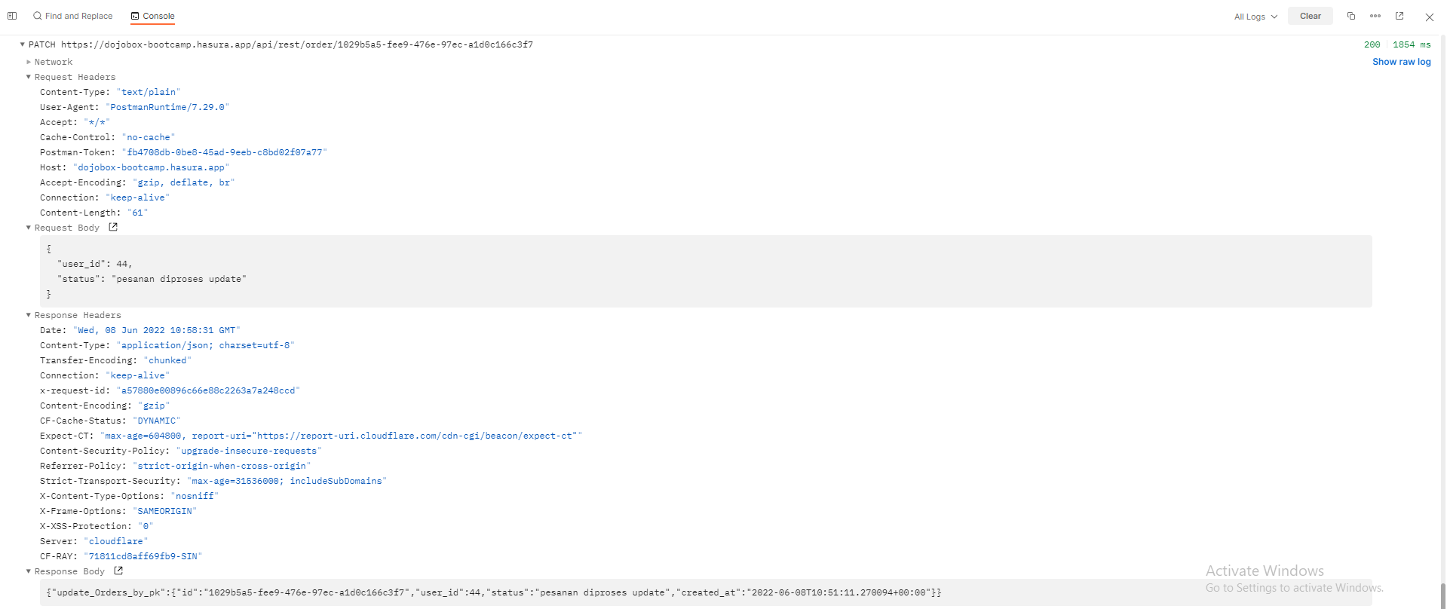 https://drive.google.com/file/d/1utE7Mfyv1D17t9Xg0zGuMnZhZeVE_3vx/view?usp=sharing
21 | Orders | TC_21_Order_Delete | User can delete single order | Deleting single order | https://dojobox-bootcamp.hasura.app/api/rest/order/:orderId | DELETE | orderId = 1029b5a5-fee9-476e-97ec-a1d0c166c3f7 | - | OK | 200 | 200 | Passed | 2022-06-08 | { "delete_Orders_by_pk": { "id": "1029b5a5-fee9-476e-97ec-a1d0c166c3f7" } } | 2080 |  https://drive.google.com/file/d/1glZOwh9Bc7R467avVsOd4MFXKl41IbvV/view?usp=sharing
22 | Order Items | TC_22_Order items_All | Order item can check displayed Order item list | Checking Order item list | https://dojobox-bootcamp.hasura.app/api/rest/order-item | GET | - | - | OK | 200 | 200 | Passed | 2022-06-09 | { "Orders_Items": [ { "id": "5e4f9231-49d9-4cdc-bc7e-dc5a95f8df8c", "order_id": "e9c38cdb-512b-40b8-a436-8d1c1360e55e", "product_id": "115a4625-edd6-43bd-8d6a-78c87084d9bb", "quantity": 10 }, { "id": "2e78764c-5093-450e-a4e9-12952883d927", "order_id": "e9c38cdb-512b-40b8-a436-8d1c1360e55e", "product_id": "f8db2347-f715-4f02-a128-217a17fc336c", "quantity": 2 }, { "id": "24af2515-5095-4a95-81a8-e5d050819793", "order_id": "e9c38cdb-512b-40b8-a436-8d1c1360e55e", "product_id": "f8db2347-f715-4f02-a128-217a17fc336c", "quantity": 5 }, { "id": "ac13dd2c-4529-4d9d-a081-70a40287a503", "order_id": "e9c38cdb-512b-40b8-a436-8d1c1360e55e", "product_id": "7c02f47f-a8b7-493e-8f5e-da7ef8f172cc", "quantity": 5 }, { "id": "fdd118fb-cf73-46f2-bb5c-e8afbd5dc5e4", "order_id": "e9c38cdb-512b-40b8-a436-8d1c1360e55e", "product_id": "7c02f47f-a8b7-493e-8f5e-da7ef8f172cc", "quantity": 8 }, { "id": "14d155c7-2976-4f24-88ad-478a82aa6d60", "order_id": "aff69d72-26ce-404c-8e55-f300cf00d941", "product_id": "7c02f47f-a8b7-493e-8f5e-da7ef8f172cc", "quantity": 8 }, { "id": "30f71231-59ab-48cf-a456-e536f0786a17", "order_id": "aff69d72-26ce-404c-8e55-f300cf00d941", "product_id": "7587596b-09e4-40a9-afb8-ac779a340f1b", "quantity": 2 }, { "id": "3ad83328-940a-47cb-8519-7b7c6eb3ef7e", "order_id": "e9c38cdb-512b-40b8-a436-8d1c1360e55e", "product_id": "115a4625-edd6-43bd-8d6a-78c87084d9bb", "quantity": 10 } ] } | 1303 | 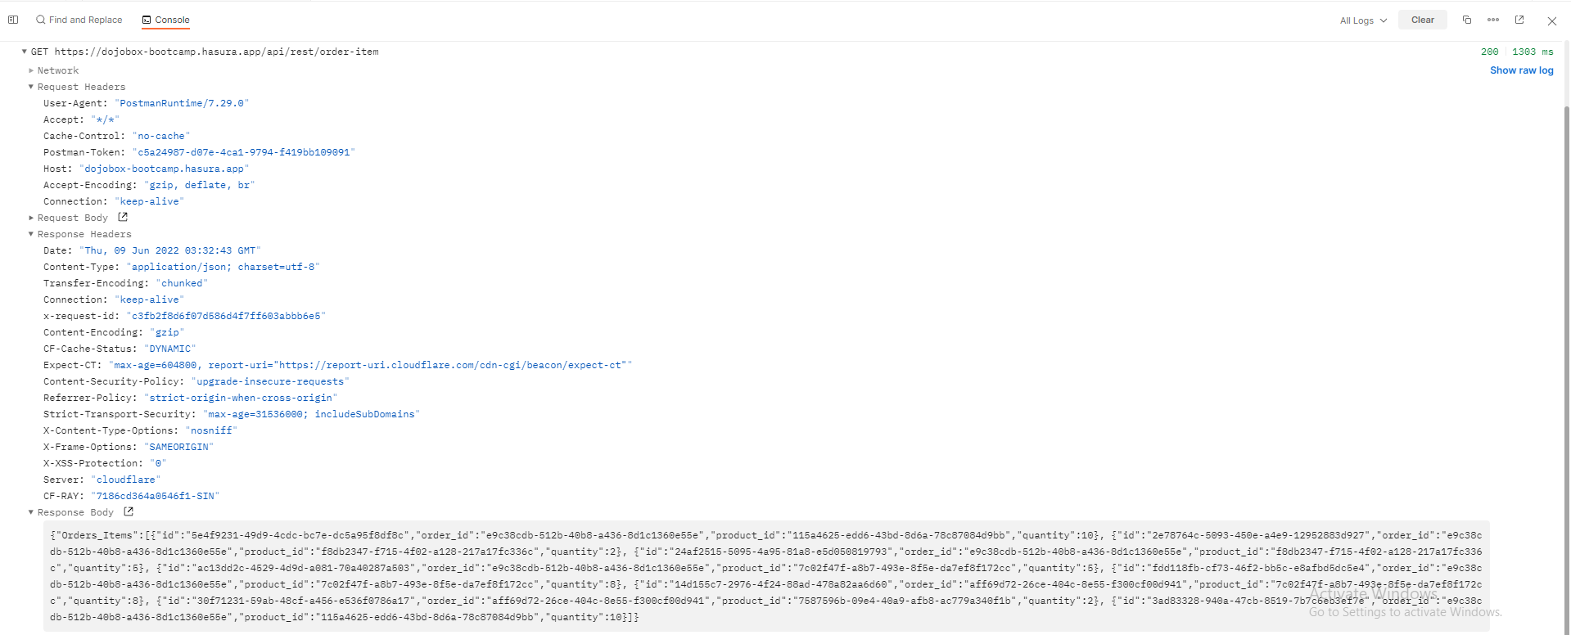 https://drive.google.com/file/d/1AYfduhXxEdS6j6oQpIIo-G_jIavKZPjq/view?usp=sharing
23 | Order Items | TC_23_Order items_Single | Order item can check displayed single Order item | Checking single Order item | https://dojobox-bootcamp.hasura.app/api/rest/order-items/get-order-list-by-order-id | GET | - | { "order_id" : { "_eq" : "aff69d72-26ce-404c-8e55-f300cf00d941" } } | OK | 200 | 200 | Passed | 2022-06-09 | { "Orders_Items": [ { "id": "14d155c7-2976-4f24-88ad-478a82aa6d60", "order_id": "aff69d72-26ce-404c-8e55-f300cf00d941", "product_id": "7c02f47f-a8b7-493e-8f5e-da7ef8f172cc", "quantity": 8, "created_at": "2022-06-07T15:39:22.346117+00:00" }, { "id": "30f71231-59ab-48cf-a456-e536f0786a17", "order_id": "aff69d72-26ce-404c-8e55-f300cf00d941", "product_id": "7587596b-09e4-40a9-afb8-ac779a340f1b", "quantity": 2, "created_at": "2022-06-08T15:28:28.127674+00:00" } ] } | 3940 | 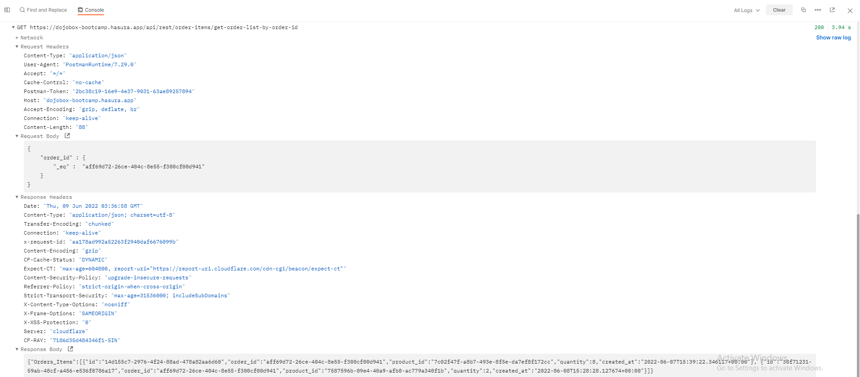 https://drive.google.com/file/d/1Qwt60FTMJVnHXcHwYu51k66pQ0lXOTu5/view?usp=sharing
24 | Order Items | TC_24_Order items_Add | Order item can add single Order item | Adding single Order item | https://dojobox-bootcamp.hasura.app/api/rest/order-item/:order_id/:product_id/:quantity | POST | :order_id = aff69d72-26ce-404c-8e55-f300cf00d941 :product_id = 7c02f47f-a8b7-493e-8f5e-da7ef8f172cc :quantity = 50 | - | OK | 200 | 200 | Passed | 2022-06-09 | { "insert_Orders_Items": { "affected_rows": 1, "returning": [ { "id": "0b69f2ba-05c8-4cc9-94a3-592bbccf6bbc", "order_id": "aff69d72-26ce-404c-8e55-f300cf00d941", "product_id": "7c02f47f-a8b7-493e-8f5e-da7ef8f172cc", "quantity": 50, "created_at": "2022-06-09T03:47:15.665266+00:00" } ] } } | 2030 | 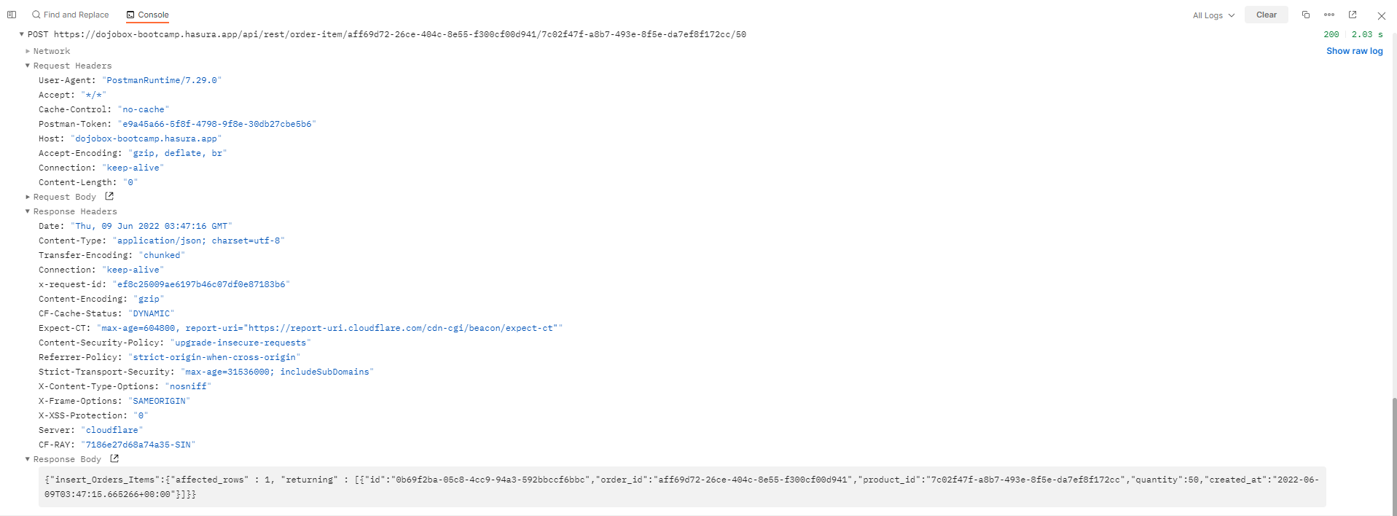 https://drive.google.com/file/d/1lJ5ZKK4j2_n9PxZczw2elxI94Oa83xsu/view?usp=sharing
25 | Order Items | TC_25_Order items_Update | Order item can update single Order item | Updating single Order item | https://dojobox-bootcamp.hasura.app/api/rest/order/:orderItemId | PATCH | orderItemId = 30f71231-59ab-48cf-a456-e536f0786a17 | { "quantity" : 11 } | OK | 200 | 200 | Passed | 2022-06-09 | { "update_Orders_Items": { "affected_rows": 1, "returning": [ { "id": "30f71231-59ab-48cf-a456-e536f0786a17", "order_id": "aff69d72-26ce-404c-8e55-f300cf00d941", "product_id": "7587596b-09e4-40a9-afb8-ac779a340f1b", "quantity": 11, "created_at": "2022-06-08T15:28:28.127674+00:00" } ] } } | 1856 | 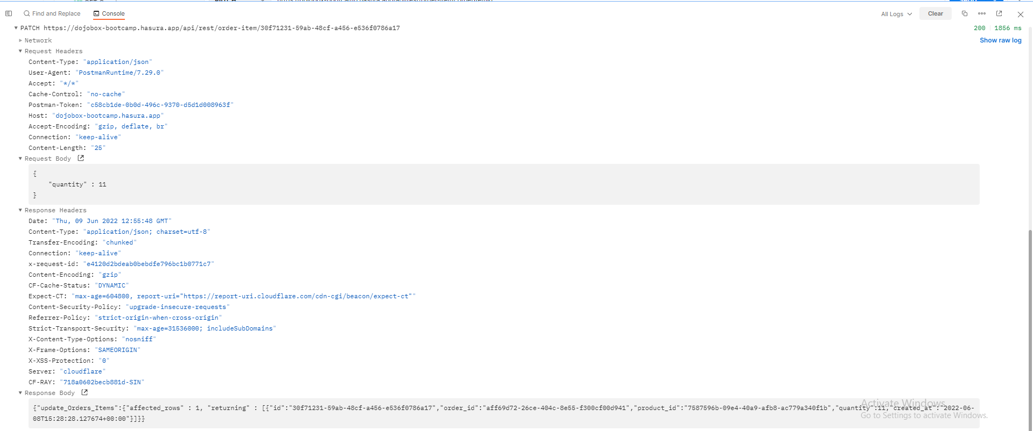 https://drive.google.com/file/d/12WRi5LDoIJmSa2ImrUcf1y1DeZfyPoI-/view?usp=sharing
26 | Order Items | TC_26_Order items_Delete | Order item can delete single Order item | Deleting single Order item | https://dojobox-bootcamp.hasura.app/api/rest/order-item/:orderListId | DELETE | :orderListId = ceefa823-5b44-42c6-90f7-0fb316e4e9a1 | - | OK | 200 | 200 | Passed | 2022-06-09 | { "Orders_Items_by_pk": { "id": "ceefa823-5b44-42c6-90f7-0fb316e4e9a1", "order_id": "aff69d72-26ce-404c-8e55-f300cf00d941", "product_id": "7c02f47f-a8b7-493e-8f5e-da7ef8f172cc", "quantity": 10, "created_at": "2022-06-09T04:13:26.121551+00:00" } } | 754 | 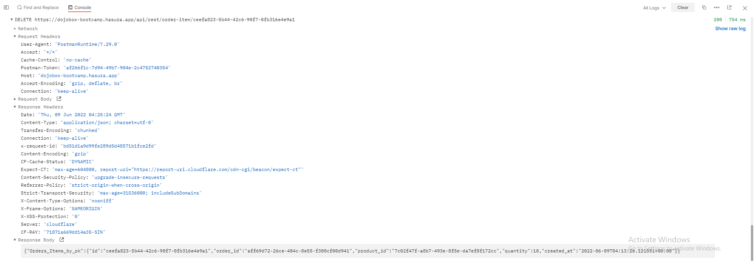 https://drive.google.com/file/d/1DBE-CkDbrHinYT-ZLT72iz7kKQ9ZHrdd/view?usp=sharing

